Summary
2026 ZS4 QSO Party

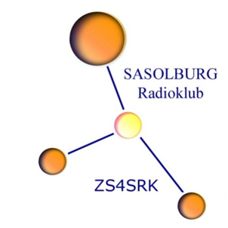
NB!! Click on “Notes tab” for instructions.
Callsign |  |  | (number)
 |  | Your Div:
Name |  |  | (Non-ZS use prefix)
Surname

Address

Tel Number

Email

 |  |  | Multiplier
Contacts with Division 4 stations |  |  | 1 if your are DIV4 |  | 0
 |  |  | 2 for all other divs | Multiplier | 2

Contacts with Division 4 Club stations only |  |  |  |  | 0
 |  |  |  | Multiplier | 5
 |  |  | Multiplier
Contacts with all other stations |  |  | 2 if you are DIV4 |  | 0
 |  |  | 1 for all other divs | Multiplier | 1

Contacts with all CW stations |  |  | All CW contacts count 5 points each |  | 0

 | Total Points Claimed |  |  |  | 0

